Hierarchical_Clustering
 | x
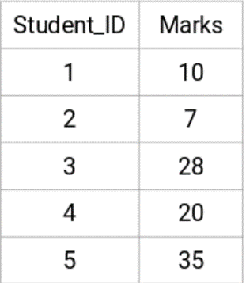
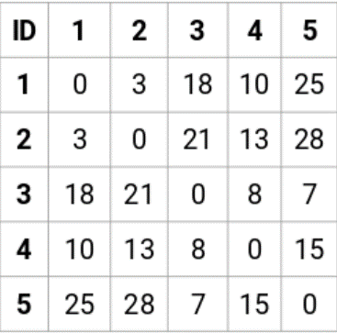
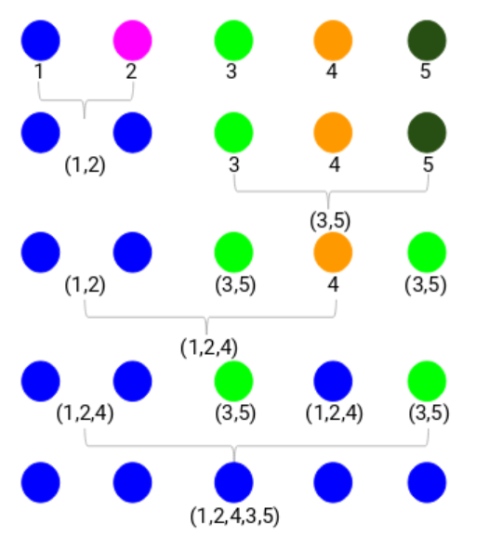
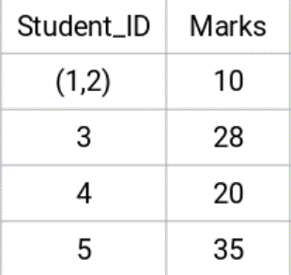
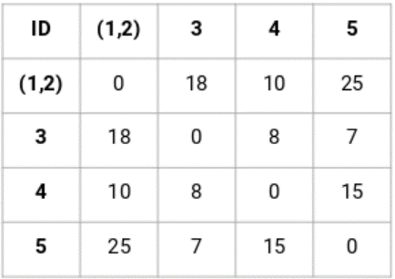

 |  |  | Vertical Distance
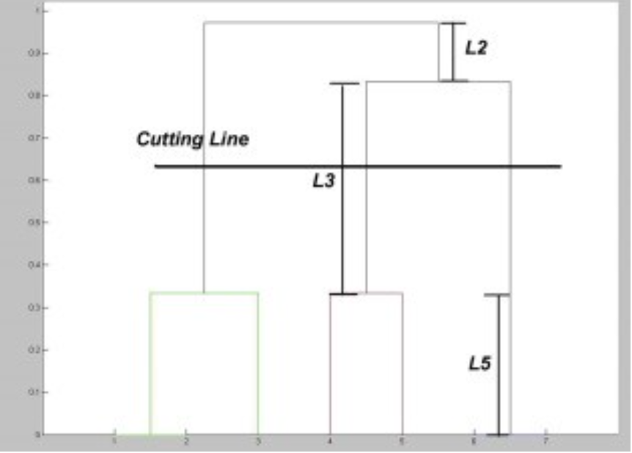
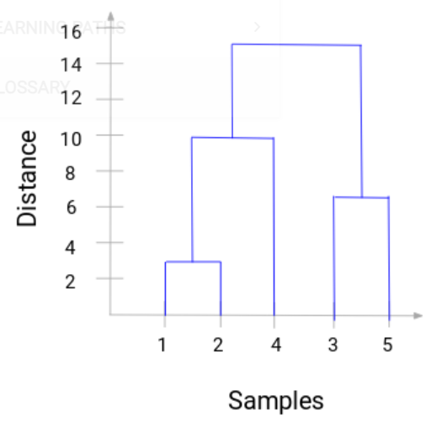
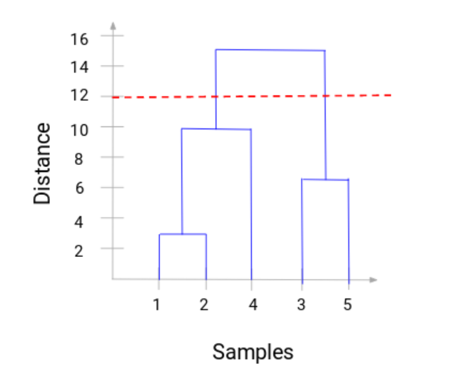
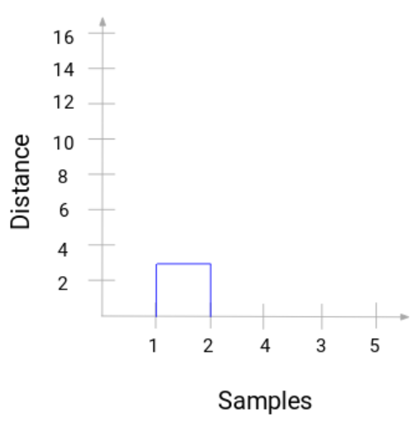

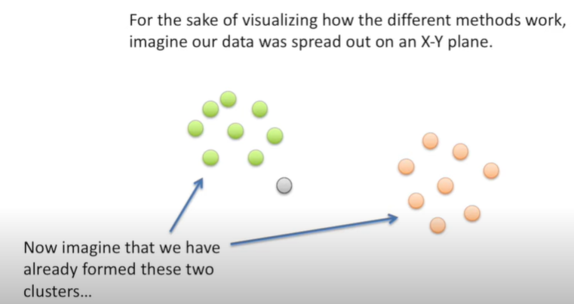
 |  | Linkage Methods-
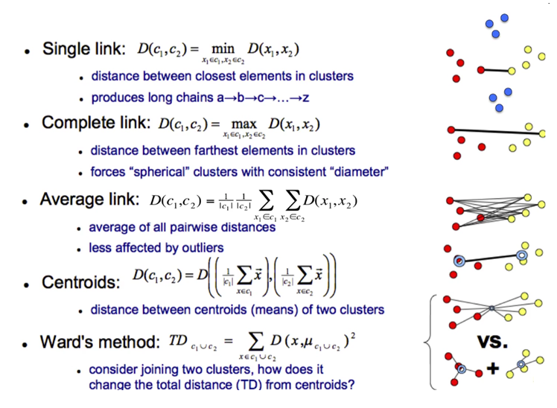
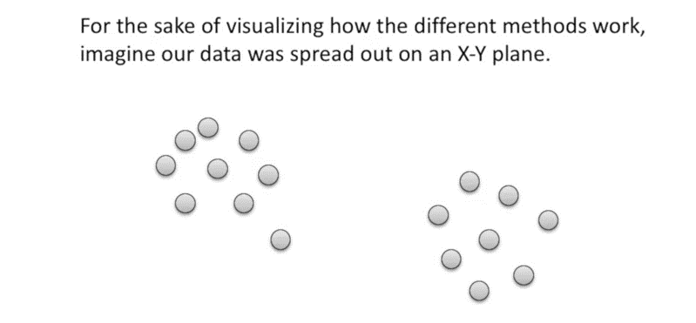

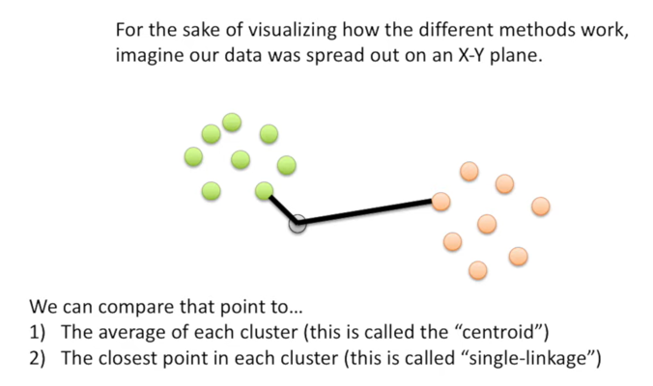
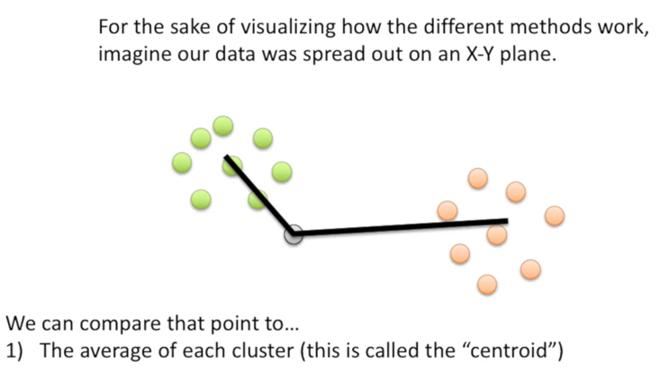

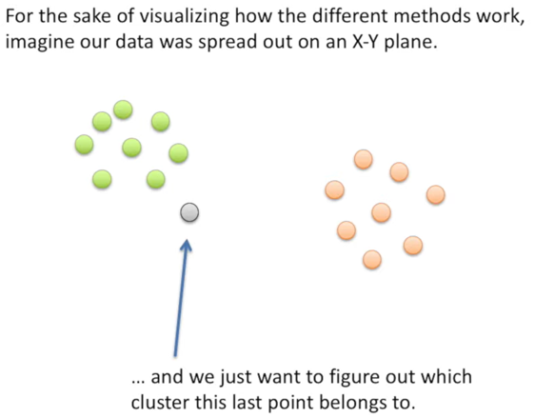

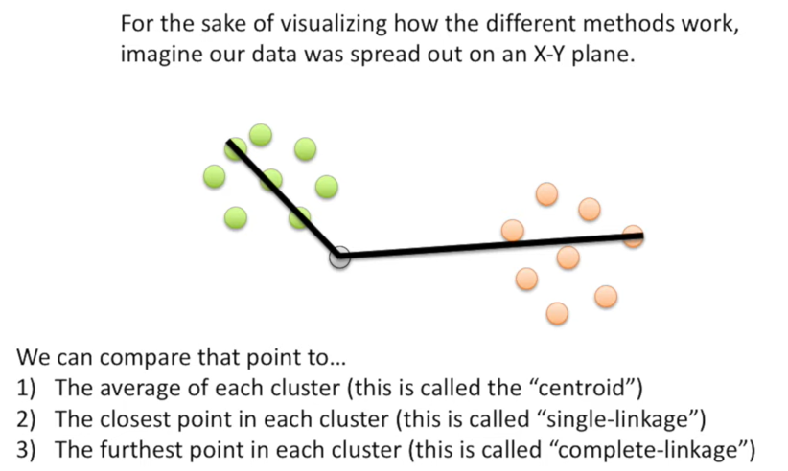

https://www.youtube.com/watch?v=7xHsRkOdVwo

Clusters_Evaluation
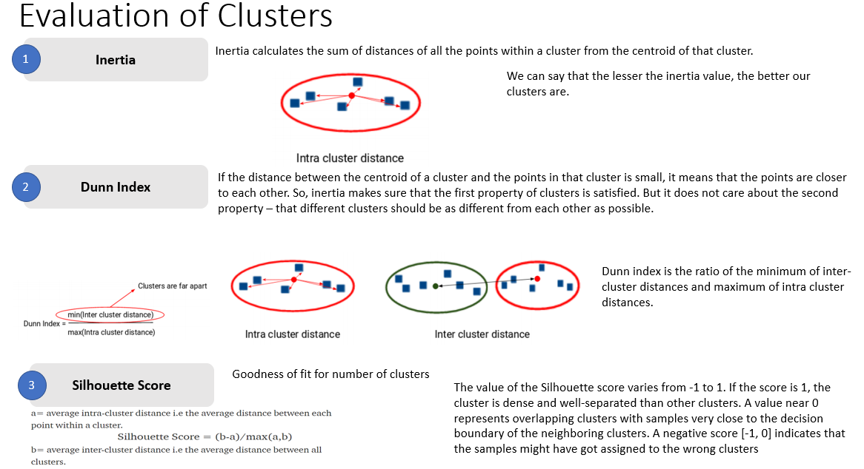

Clustering_Distance_Theory
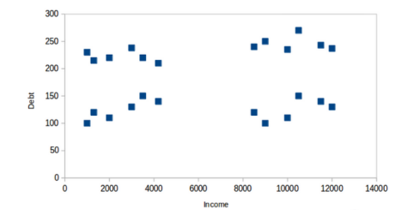
Grouping datapoints - rows
1
Homogeneity within datapoints
2
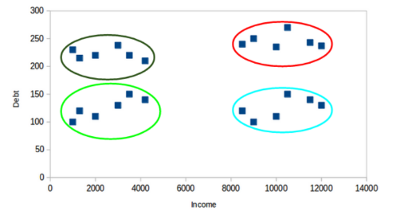
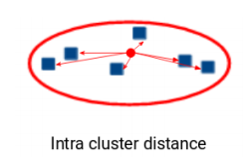

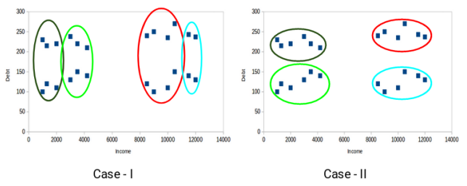

Heterogeneity between datapoints
3

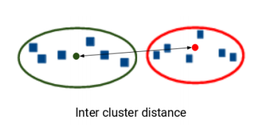
SSB > SSW
4

Question - | How do we group the data together? - Similarity Measures
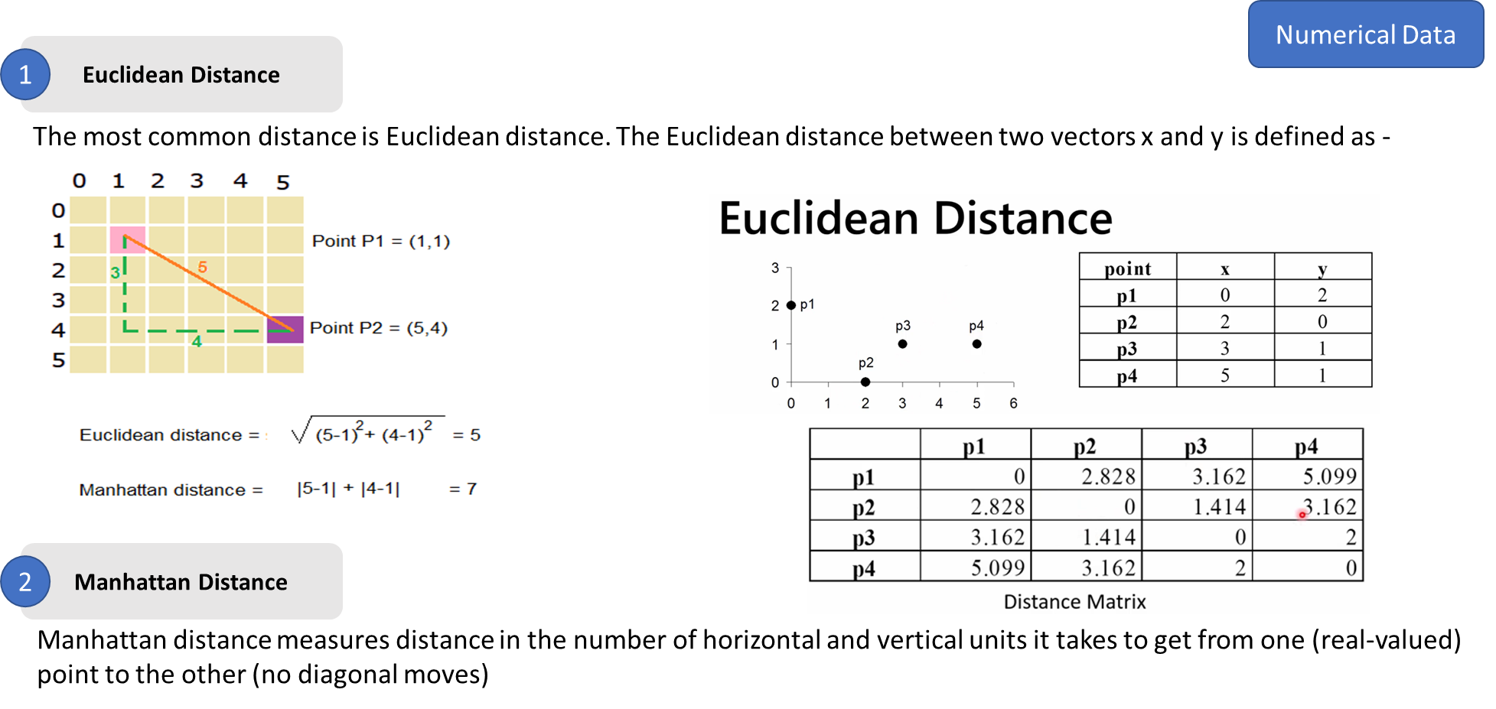

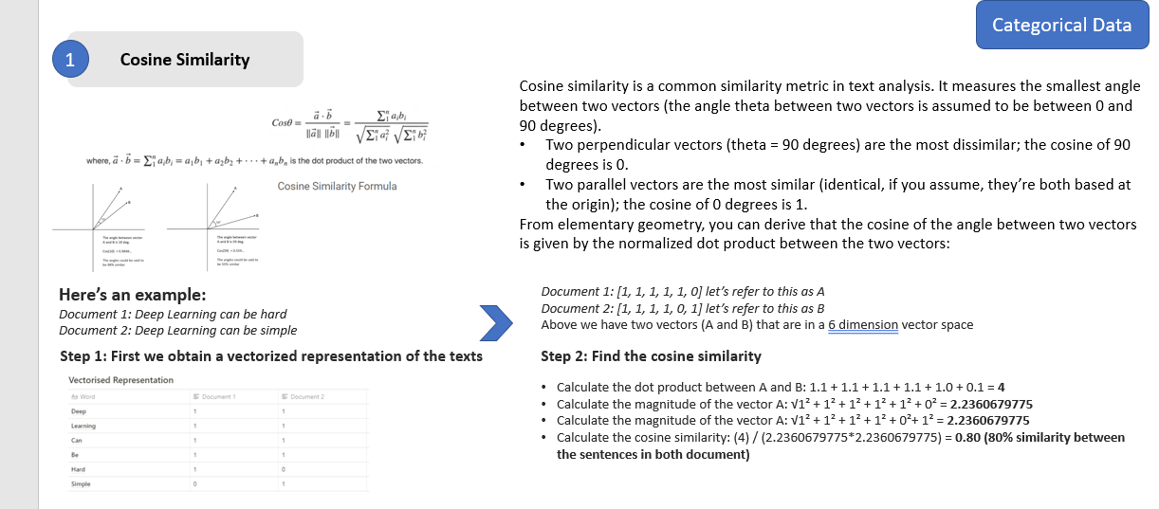

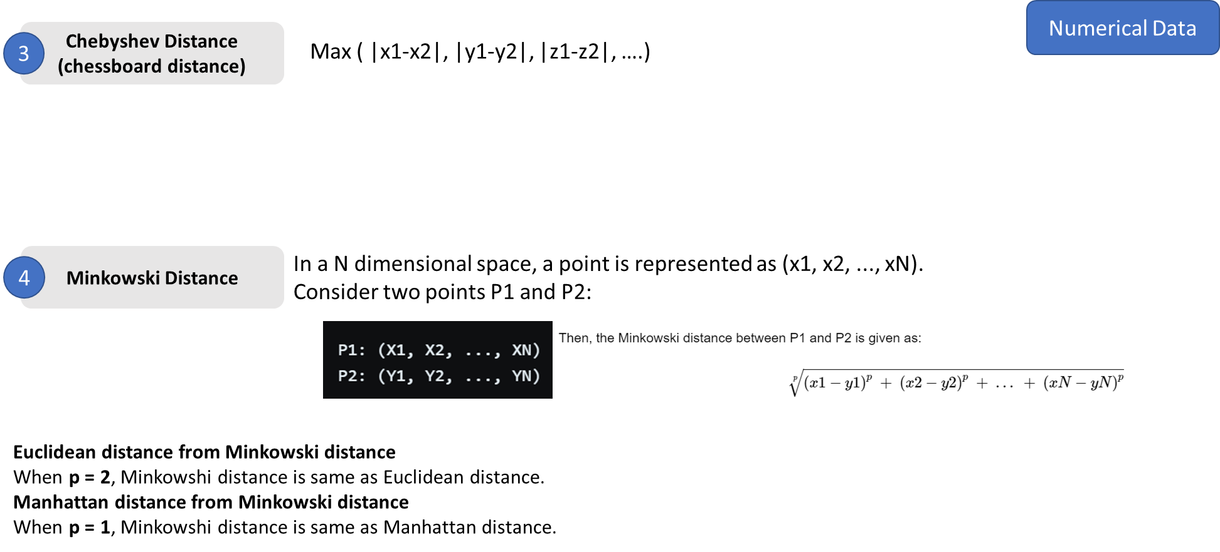

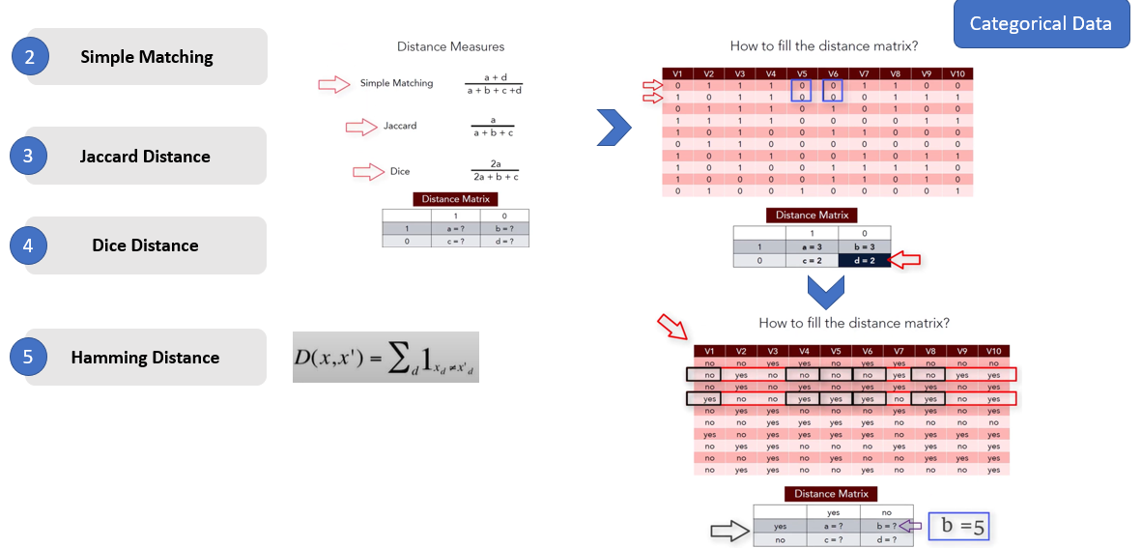

K-means Clustering
Hierarchical clustering

Steps to do clustering?
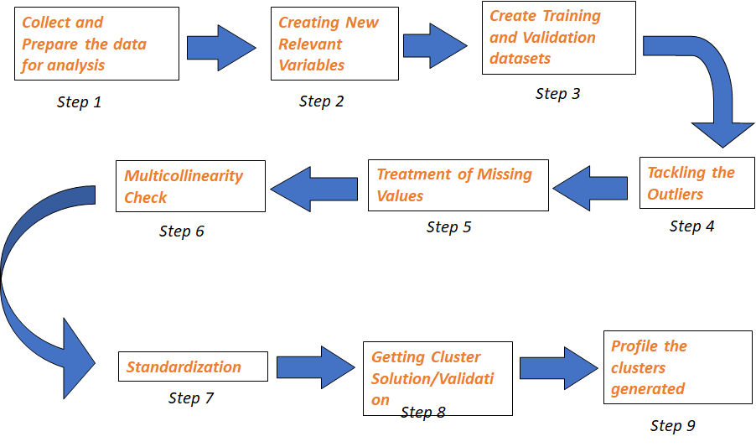

https://www.quora.com/What-happens-when-you-pass-correlated-variables-to-a-k-means-clustering-Also-is-there-a-way-by-which-clustering-can-be-used-to-group-similar-pattern-observed-for-a-variable-over-time

Cluster_hands_on_Exercise_kmean
Index | X | Y |  | Step-0 Scaling | X-Std | Y-Std |  | Step-1 | Iteration-Cluster-1 | Iteration-Cluster-2 | Step-2 | labeling the clusters | Step-3 | Iteration-Cluster-1 | Iteration-Cluster-2
1 | 5.00 | 2.30 |  |  | 1.6795652219 | -0.14920894045 |  | 1.9076303035 | 1.9076303035 | 2.8111551268 |  | 0 |  | 1.3516897801 | 2.7206830352
2 | 5.00 | 2.00 |  |  | 1.6795652219 | -0.41251883537 |  | 1.8397922905 | 1.8397922905 | 2.9358175786 |  | 0 |  | 1.2541321935 | 2.8553833256
3 | 3.00 | 1.00 |  |  | -0.12641888767 | -1.2902184851 |  | 0.52661978984 | 0.52661978984 | 2.4774488367 |  | 0 |  | 0.79982874775 | 2.5053407177
4 | 2.00 | 4.00 |  |  | -1.0294109425 | 1.3428804641 |  | 0.31929279166 | 2.2918658555 | 0.31929279166 |  | 1 |  | 2.5888683996 | 0.37267298189
5 | 2.00 | 1.00 |  |  | -1.0294109425 | -1.2902184851 |  | 1.0453339438 | 1.0453339438 | 2.3766606716 |  | 0 |  | 1.5944634034 | 2.4560361798
6 | 4.00 | 1.70 |  |  | 0.77657316712 | -0.67582873029 |  | 0.90724760554 | 0.90724760554 | 2.3923430711 |  | 0 |  | 0.31353304837 | 2.3530361019
7 | 3.00 | 1.60 | C1-Starting Point |  | -0.12641888767 | -0.76359869527 | C1-Starting Point | 0 | 0 | 1.9796781339 |  | 0 |  | 0.60199470319 | 1.9971912243
8 | 2.10 | 3.40 |  |  | -0.93911173698 | 0.81626067425 |  | 0.27836315718 | 1.7766331345 | 0.27836315718 |  | 1 |  | 2.1206830264 | 0.39911598957
9 | 2.20 | 3.70 | C2-Starting Point |  | -0.8488125315 | 1.0795705692 | C2-Starting Point | 0 | 1.9796781339 | 0 |  | 1 |  | 2.2696425778 | 0.15059759608
10 | 3.10 | 4.00 |  |  | -0.036119682192 | 1.3428804641 |  | 0.8542843602 | 2.1084137154 | 0.8542843602 |  | 1 |  | 2.1677376989 | 0.70544935883
 |  |  |  |  |  |  |  |  |  |  |  |  |  | Note - Solution is stable, no changes since last iteration, hence we have found 2 clusters in our data
Mean | 3.14 | 2.47 |  |  | 0.00 | 0.00 |  | Summary - | For the first iteration, Data point #1 belongs to Cluster 1 since its distance to the centroid is smallest.
Std | 1.107429456 | 1.1393419153 |  |  | 1 | 1 |  |  | Data point #4 belongs to Cluster 2 since its distance to the centroid is smallest.

 |  |  |  | Clusters- Intiation | -0.12641888767 | -0.76359869527
 |  |  |  |  | -0.8488125315 | 1.0795705692 |  | Index | Customer belongs to Cluster |  |  | After Iter 1 | Clusters - Centroids | 0.47557581552 | -0.76359869527
 |  |  |  |  |  |  |  | 1 | 1 |  |  |  |  | -0.71336372328 | 1.1453980429
 |  |  |  |  |  |  |  | 2 | 1 |  |  |  | By taking the average value of cluster1 and 2 respective rows of raw data
 |  |  |  |  |  |  |  | 3 | 1
 |  |  |  |  |  |  |  | 4 | 2 |  | Link-
 |  |  |  |  |  |  |  | 5 | 1 |  | http://www.learnbymarketing.com/tutorials/k-means-clustering-by-hand-excel/
 |  |  |  |  |  |  |  | 6 | 1
 |  |  |  |  |  |  |  | 7 | 1
 |  |  |  |  |  |  |  | 8 | 2
 |  |  |  |  |  |  |  | 9 | 2
 |  |  |  |  |  |  |  | 10 | 2

